1. Title Page
[Grocery Basket Analysis]

Project Name: Instacart Grocery Basket Analysis.
Date: January 2024.
Analyst Name: Jaime Suarez.

Contents:
Population Flow
Consistency checks
Wrangling steps
Column derivations
Visualizations
Recommendations

Data citation: “The Instacart Online Grocery Shopping Dataset 2017”, Accessed from www.instacart.com/datasets/grocery-shopping-2017 via Kaggle

2. Population Flow
Title page

Population flow

Exclusion flag
Condition: unique user_id with sum of unique order_id < 5
Obervations to be removed: 1,440.341
Final total count of order_products_all: 30.964.518

Orders_products_combined
Orders_products_merged
Orders_products_all

Total: 32.434.489
Total: 32.434.489
Total: 32.434.489

1.) The grey boxes in the first row of the population flow represent the original data sets as they were when you downloaded them. In the Total fields you need to add the count of the rows when you imported the data set into Jupyter.
2.) The second row of boxes (coloured) represents the data sets after you manipulated them, e.g., removed missing values and duplicates. In the Total fields you need to add the count of the rows after conducting these operations. This offers a visual oveview of how the data flows throughout the data consistency checks.
3.) The third row, where also the arrows are coloured, represents the merges you performed between the datasets. In the Total fields you need to add the count of the rows in the merged datasets, so that you end up with the final dataset (in the red box). Keep in mind the final dataset should be without exclusions (based on the exclusion flag).

3. Consistency checks
 |  |  | Title page
Consistency checks

Dataset | Missing values | Missing values treatment | Duplicates
orders | 0 |  | 0
products | 16 | Dropped | 5
orders_products_prior | 0 |  | 0
customers | 0 |  | 0

4. Wrangling steps
Wrangling steps
 |  |  | Title page

Columns dropped | Columns renamed | Columns' type changed | Comment/Reason
 | order_hour_of_day |  | Readability
 | orders_day_of_week |  | Readability

* PII: Even though the data contents Personally Identifiable Information, such as first name and last name, neither the charts nor the analysis can be traced back to an indentifiable person; therefore the columns were not dropped from the set.

5. Column derivations
Column derivations and aggregations
 |  |  |  | Title page

Dataset | New column | Column/s it was derived from | Conditions
Principal | price_range_loc | prices | Low<=5, High>15, Medium(>5 & <=15)
Principal | busiest_day | orders_day_of_week | Least=min(1),High=max(1), medium=Else
Principal | busiest_period_of_day | order_hour_of_day | Fewest=min(6),Most=max(6), Average=Else
Principal | loyalty_flag | max_order' | Loyal>40, New<=10, Regular(>10 & <=40)
Principal | spend_category | price_avg | High>=10, Low <10
Principal | customer_regularity | median(days_since_last_order) | Freqeunt<=10, Non-Frequent>20, Regular(>10 & <=20)
Principal | user_activity | user_id & order_id | count of Orders < 5 = Low
Principal | Region | State | Geographically assigned
Principal | age_group | age | According to age
Principal | income_group | Income | According to income level
Principal | income_age_person | income_group & age_group | Grouped

Only flags, continuous variables not included.

6. Visualizations
 | Title page

Visualizations

CUSTOMERS
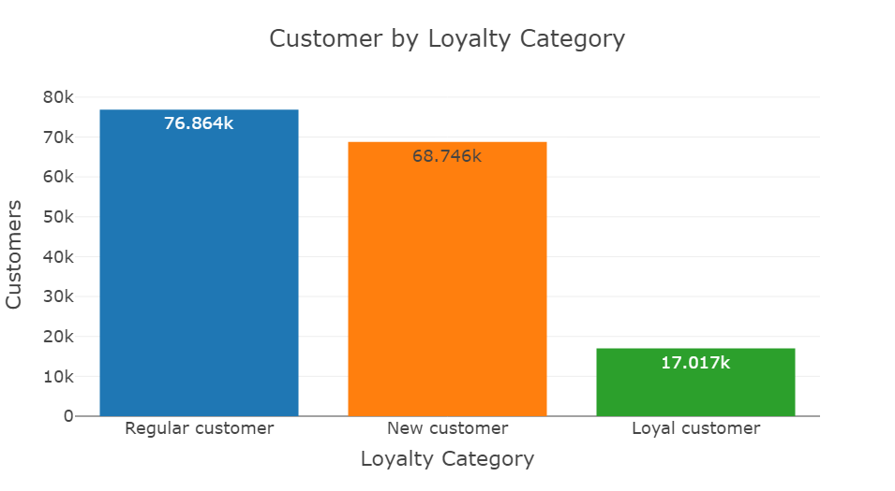

For the scope of this analysis, customers were divided first into three groups according to their brand loyalty:
- Loyal: Customers with more than 40 orders.
- Regular: Customers with more than 10 orders but fewer than 10.
- New: Customers with fewer than 10 orders.
* Customers with fewer than 5 orders were excluded from the analysis, as per requested by the CFO.

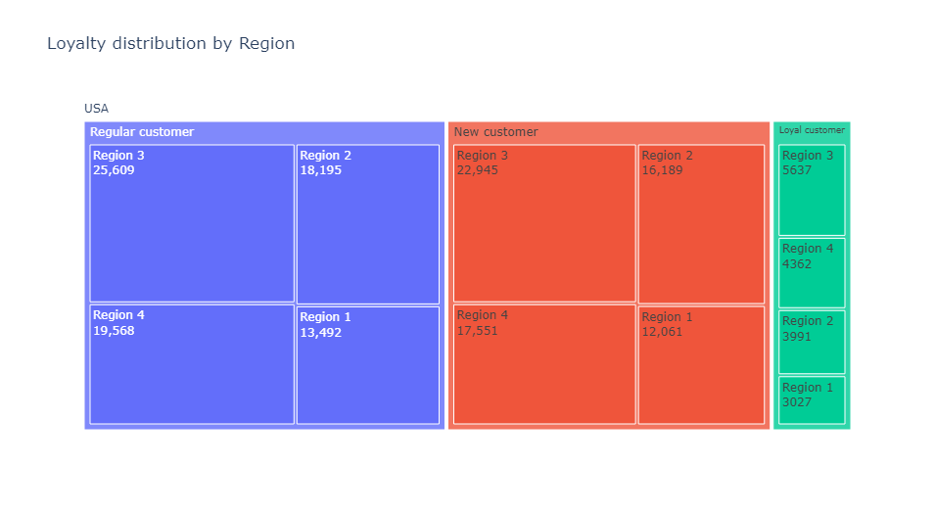

Customers were divided into regions according to the List of regions of the United States (1).
As we can see, the Region 3 has more customers, therefore more customers in each of the loyalty categories.

ORDERS

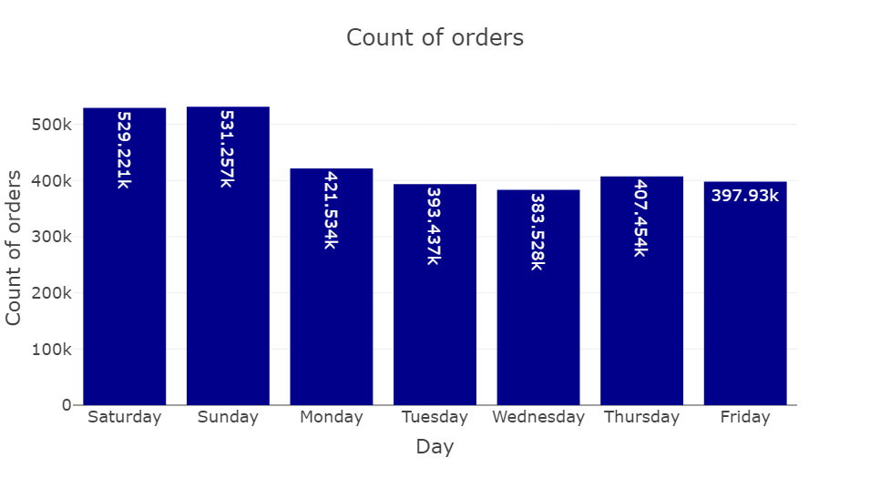

The number of orders is higher on the weekend, which makes it ideal days for marketing campaigns and special offers.

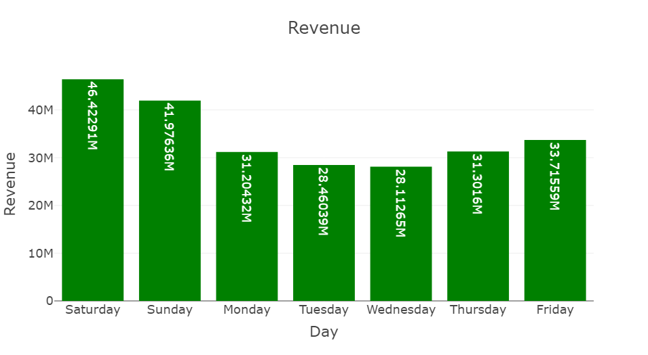

The revenue received is also higher on the weekend.

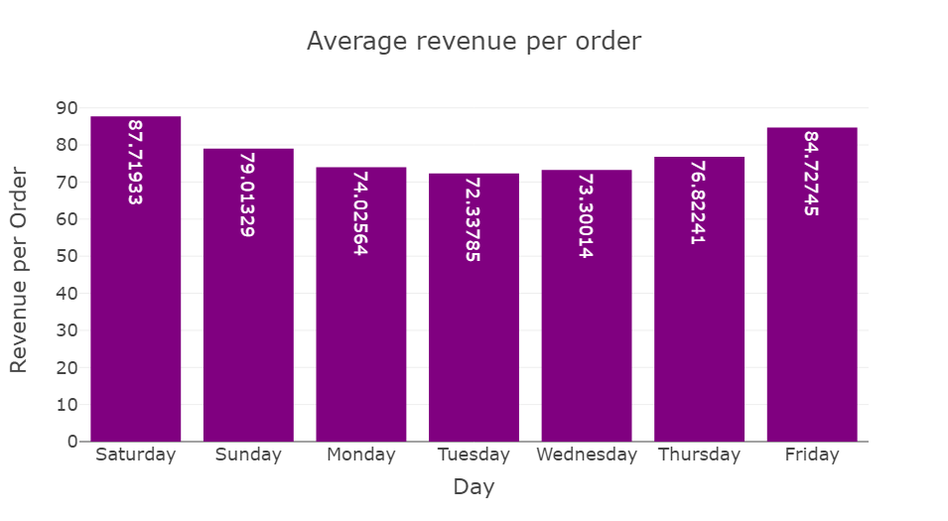

An analysis into the Average revenue per order (Revenue/Number or orders), shows that on Saturdays, customers tend to order products on the pricier side of the catalogue, followed closely by Fridays. Given that on Fridays the volume of orders is not high, a marketing campaign on that day might yield more orders, thus increasing the revenue received.

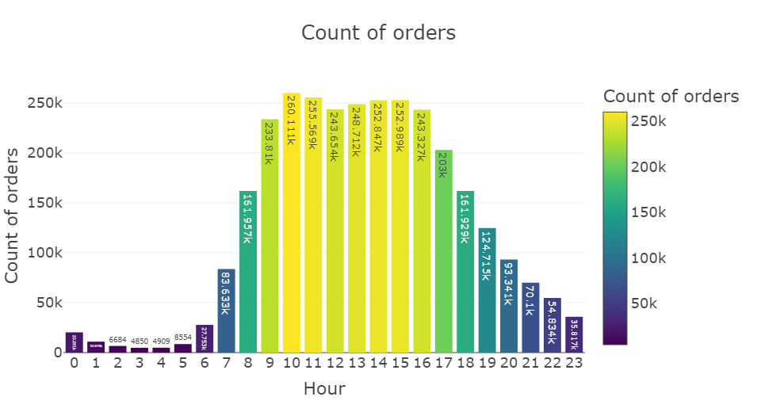

The busiest hours of the day are between 10:00 a.m. and 4:00 p.m.

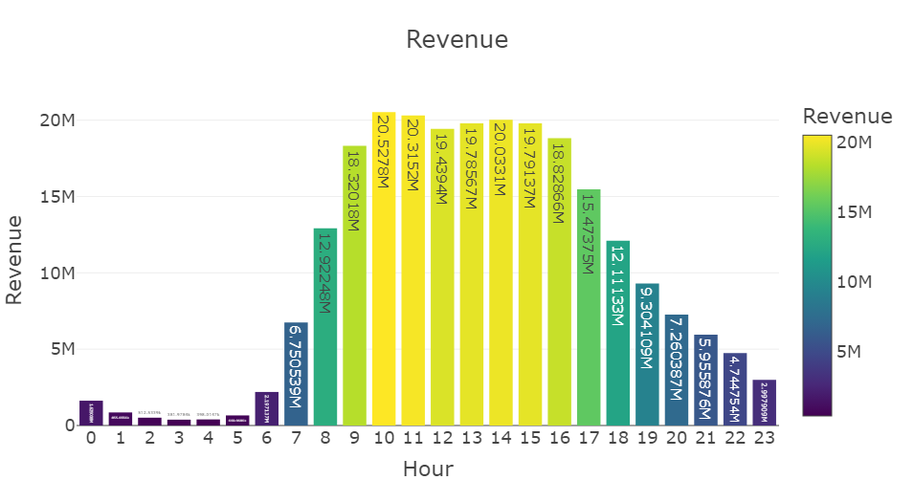

The highest revenue is received during the peak hours.

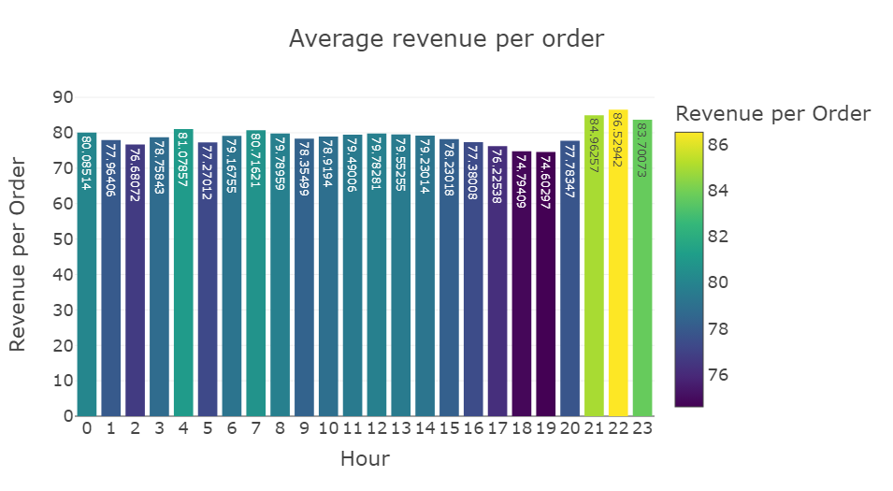

Customers were divided into regions according to the List of regions of the United States (1).
As we can see, the Region 3 has more customers, therefore mor customers in each of the categories.
Customers were divided into regions according to the List of regions of the United States (1).
As we can see, the Region 3 has more customers, therefore mor customers in each of the categories.
An analysis of the average revenue per order shows that between 9:00 p.m. and 11:00 p.m., customers order pricier products.

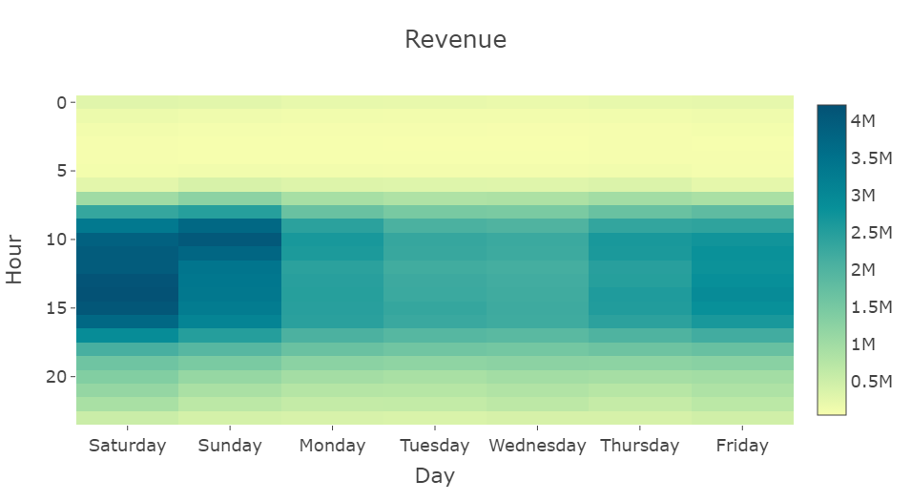

Peak hours and days compares to the rest, in terms of revenue.

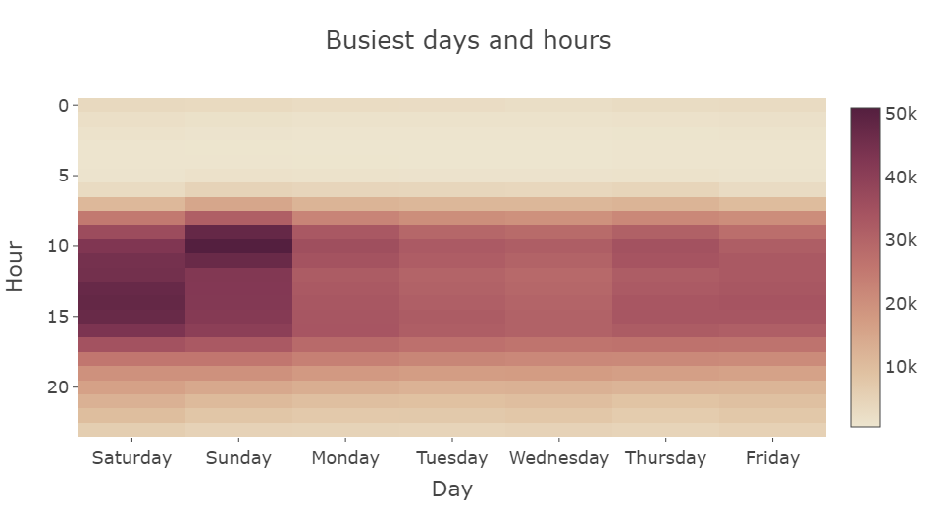

Peak hours and days compares to the rest, in terms of number of orders.

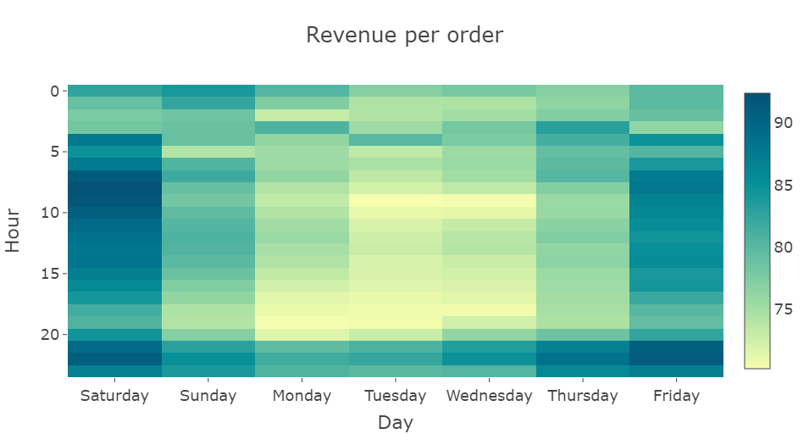

There is a peak day on Saturday and a peak hour at 10:00 p.m. everyday, in terms of revenue per order.

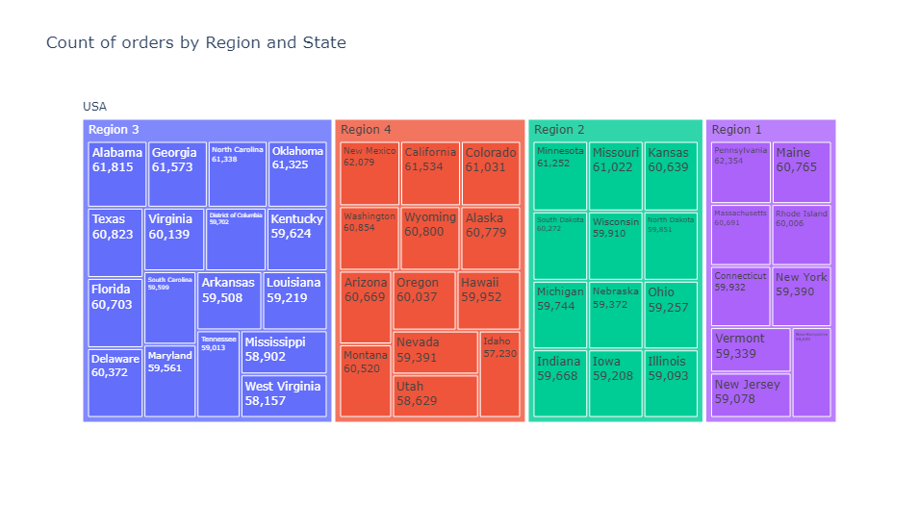

The number of orders is similar for every state, however, for the Region 1 the number is greater becuase it contains more states.

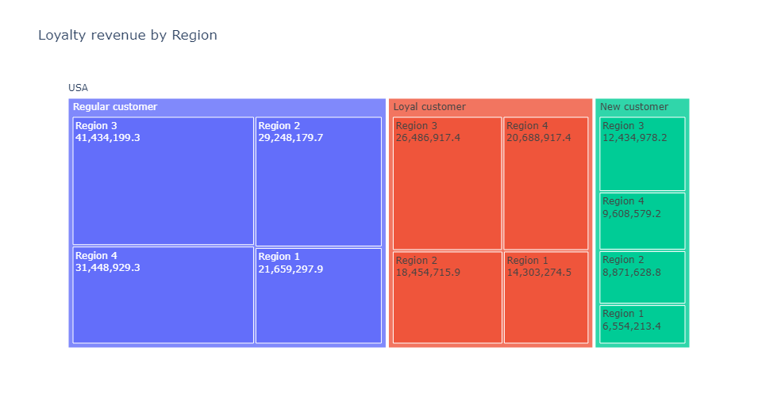

Regular customers bring more revenue to the company than Loyal customer in all regions. A marketing campaing could help move more customers from the New category to the Regular category.

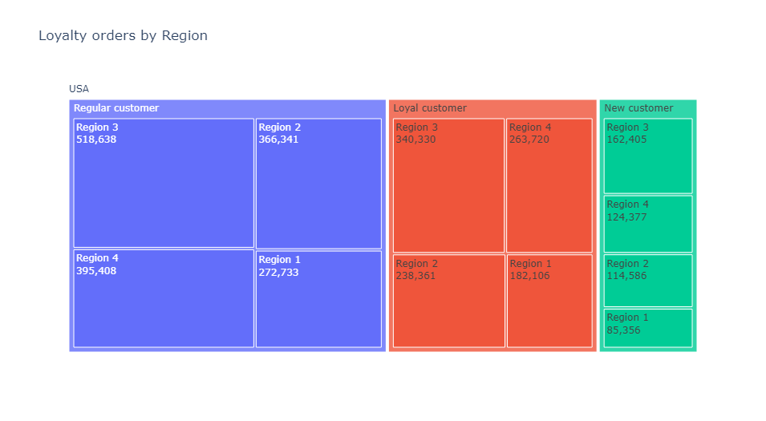

The number of orders made by Regular customer is approximately 1,5 times the number of orders of Loyal customers and almost three times the number of orders made by New customers.

DEPARMENTS

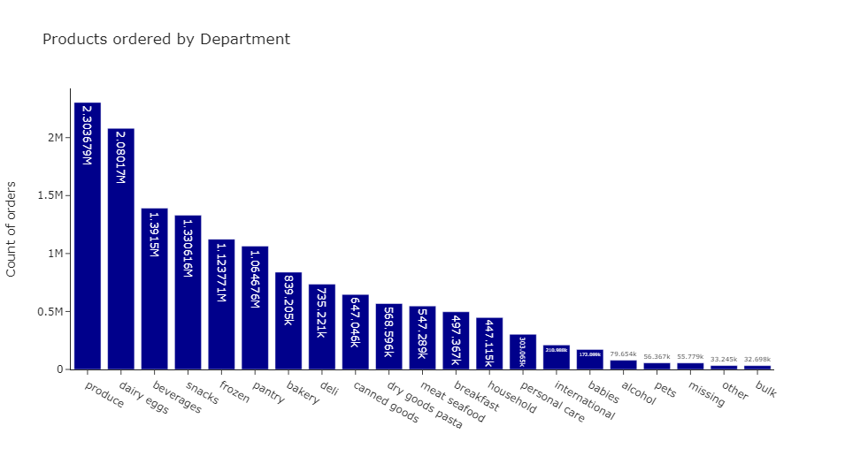

The Produce department is the most popular department, followed closely by the Dairy eggs.

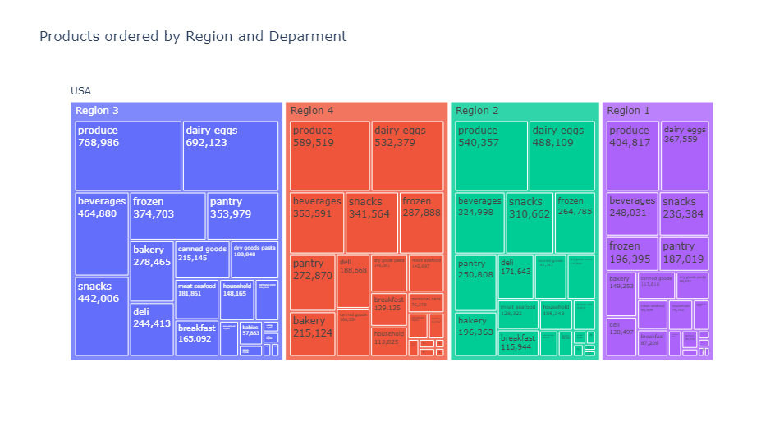

Across all regions the number one deparment is Produce.

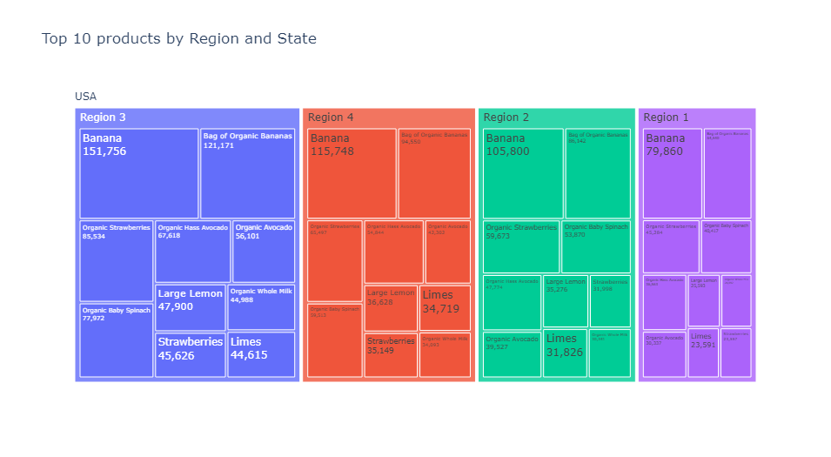

The most popular product ordered is bananas, and most of the products in the Top 10 are in the Produce department, with the exception of Organic Whole Milk

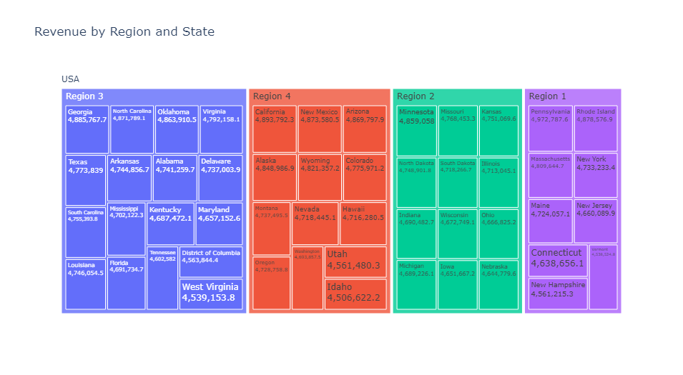

Revenue is spread evenly in all the states.

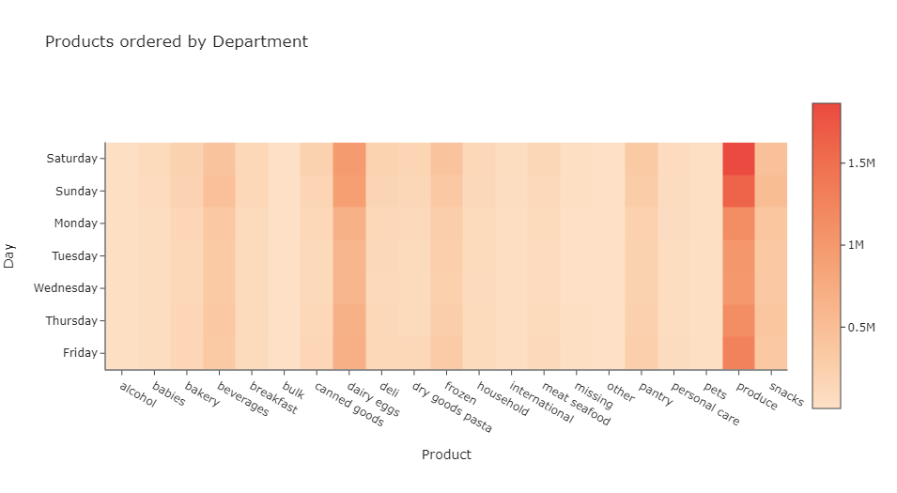

The most popular department, Produce, is ordered mainly on Saturdays.

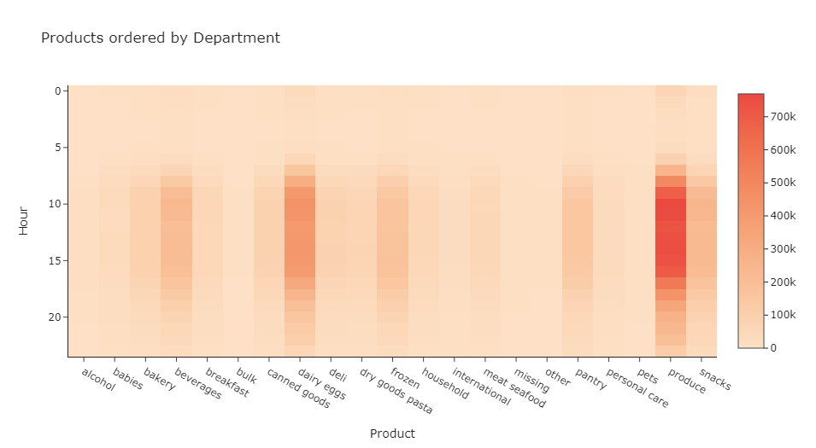

The most popular department, Produce, is ordered mainly between 9:00 a.m. and 4:00 p.m. A marketing campaign for Produce would be more effective if advertised on Saturdays in that period of time.

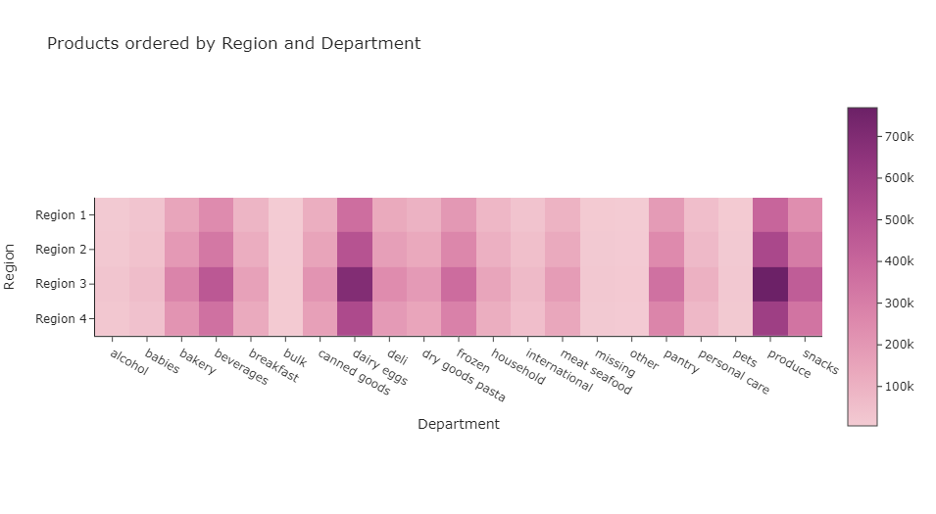

Region 3 leads in products ordered in all departments.

CUSTOMERS BY FAMILY STATUS
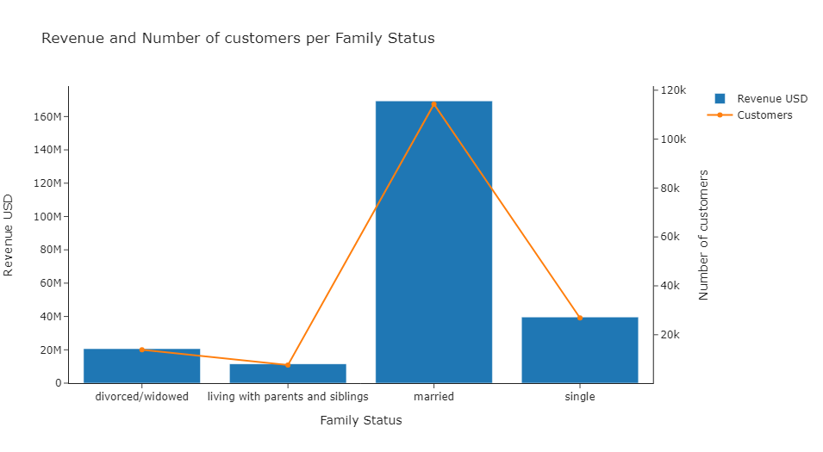

There are more customers on the Married family status. Revenue is also higher fot that family status.

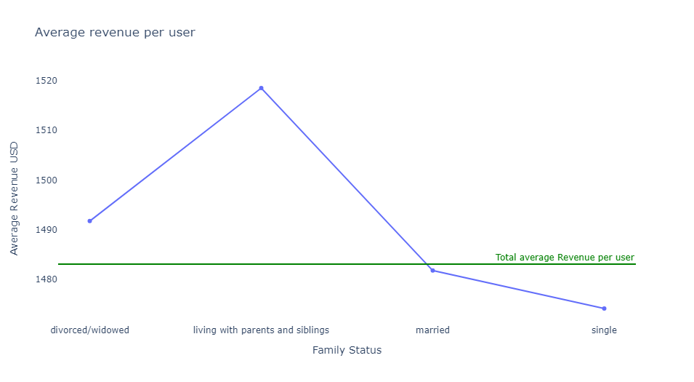

The average revenue per user is higher than the total average for those labeled as 'Living with parents and siblings'. An explanation for that could be that the orders are meant to be for more family members than the other categories.

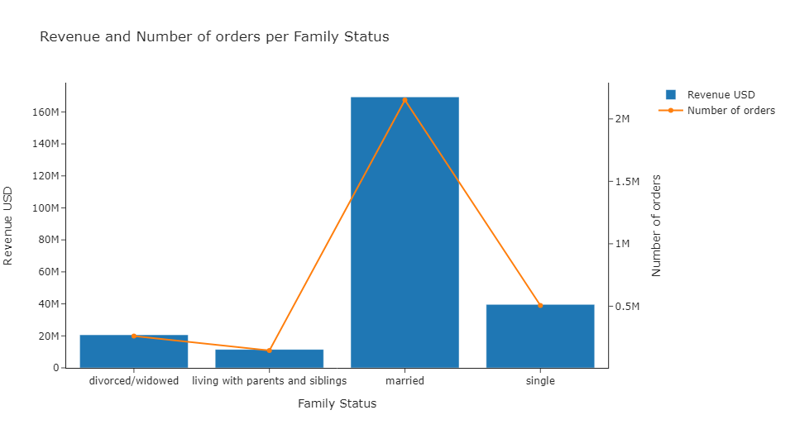

There are more orders from customers on the Married family status. Revenue is also higher fot that family status.

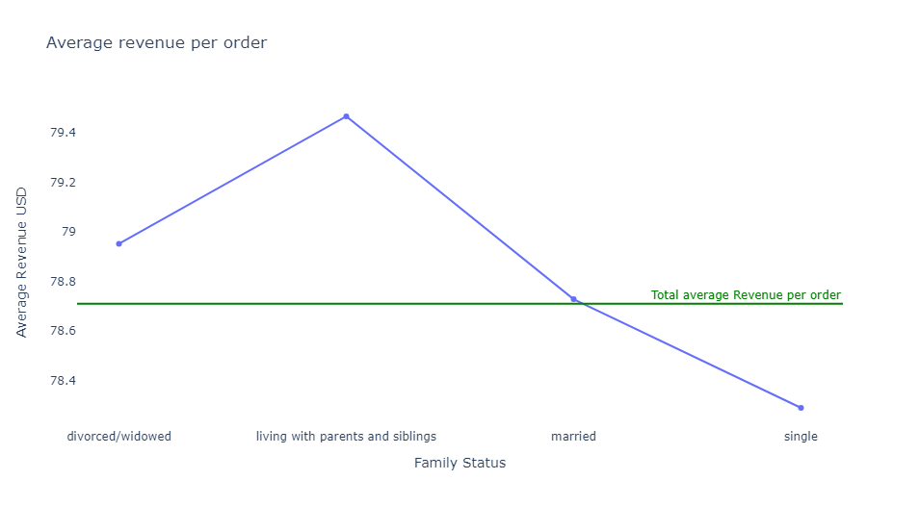

The average revenue per order is higher than the total average for those labeled as 'Living with parents and siblings'.

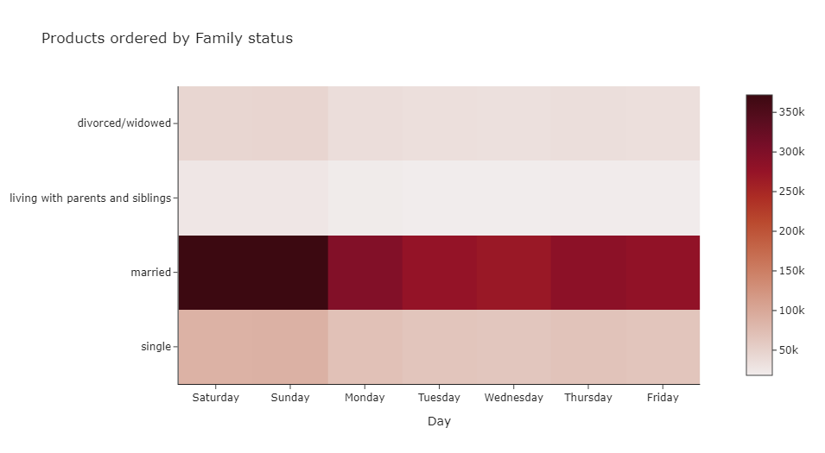

Customers of all the family status tend to order more during the weekend.

CUSTOMERS BY AGE GROUP

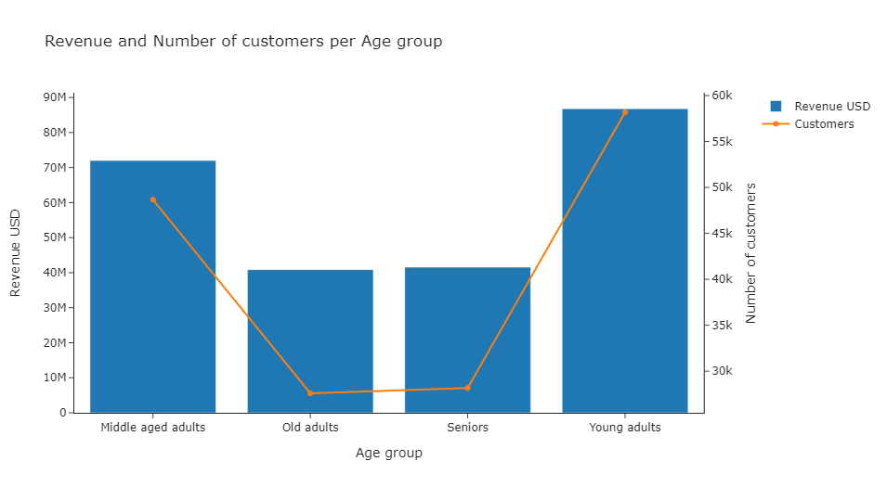

An age group was created according to this:
Underage = < 18
Young adults = 18 - 40
Middle aged adults = 41 - 59
Old adults = 60 - 70
Seniors = > 70
The category Young adults have more customers, followed closely by Middle age. According to this, the age niche of the brand is 18 - 59, approximately 72% of market share.

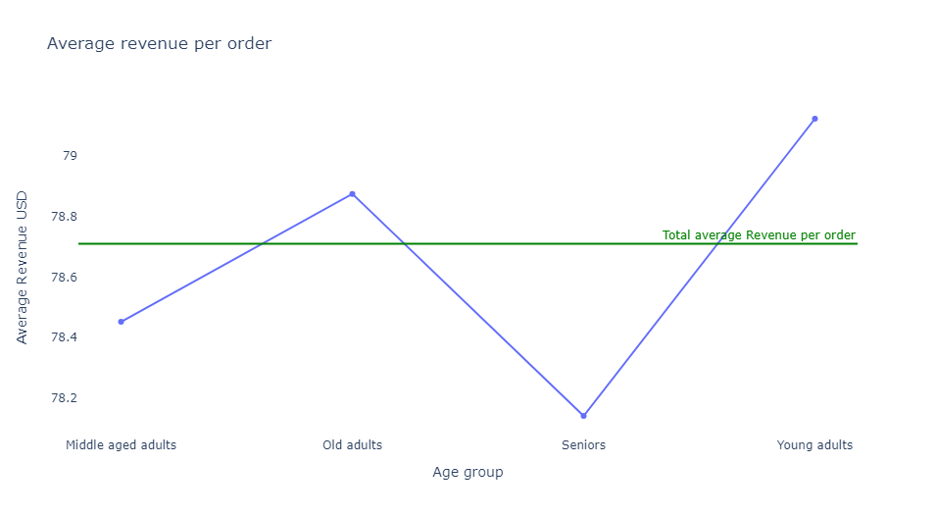

The Young adults orders are highest on revenue than the other categories, followed by Old adults.

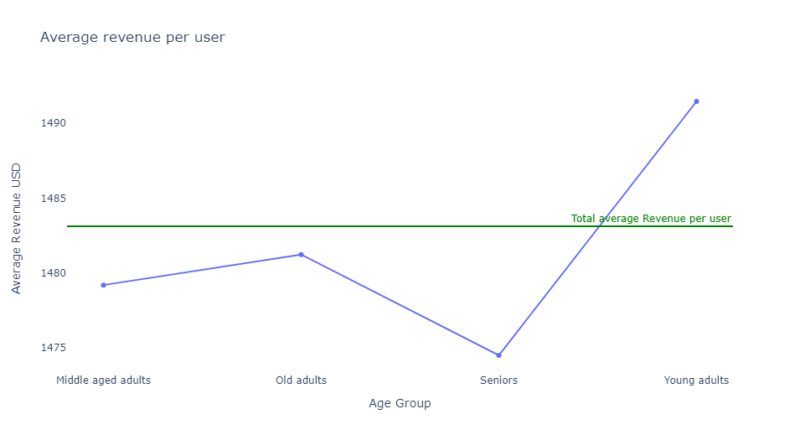

The total revenue per user is considerably higher than the other categories.
With the highest average revenue per user and the highest revenue per order, the Young adults category should be targeted for special marketing campaigns. Efforts should be made to transition customers in that category from the 'New customer' loyalty status to the 'Regular customer' status.

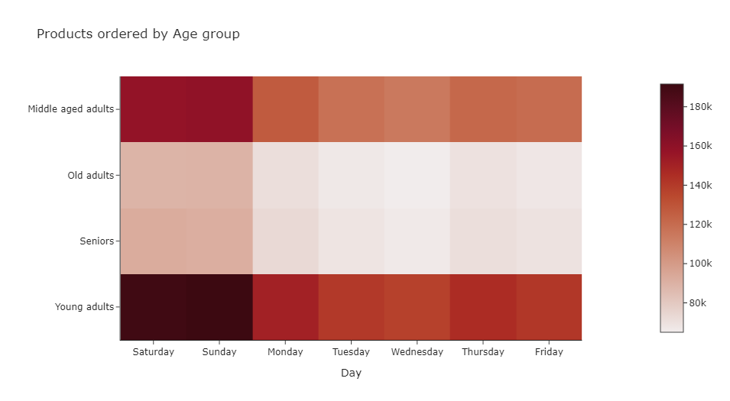

The Young adults category leads in number of orders everyday.

CUSTOMERS BY AGE GROUP

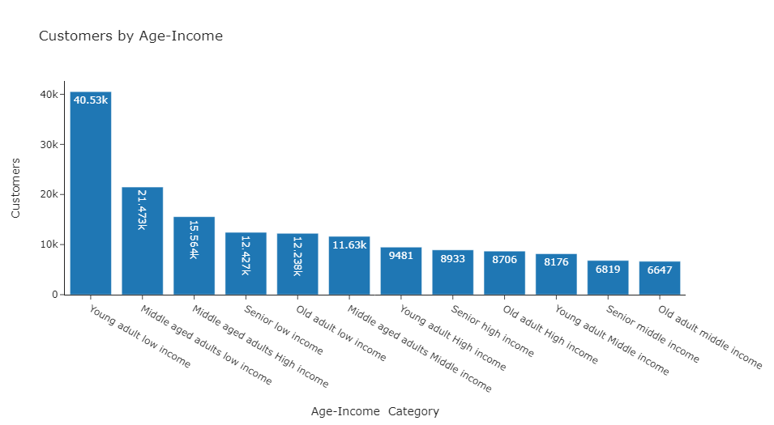

Customers grouped by age are grouped are divided by their income according to this:
Low Income = < 40.000.
Middle Income = 40.001 - 66.000.
High Income = > 66.001.
That income was divided into the dependants + 1 member, to derive a column with the income per person in the household.

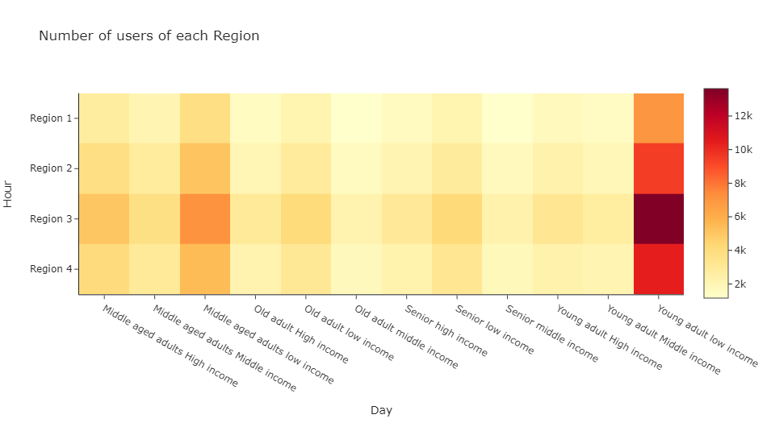

In all regions the category Young adults with low income is higher than the others.

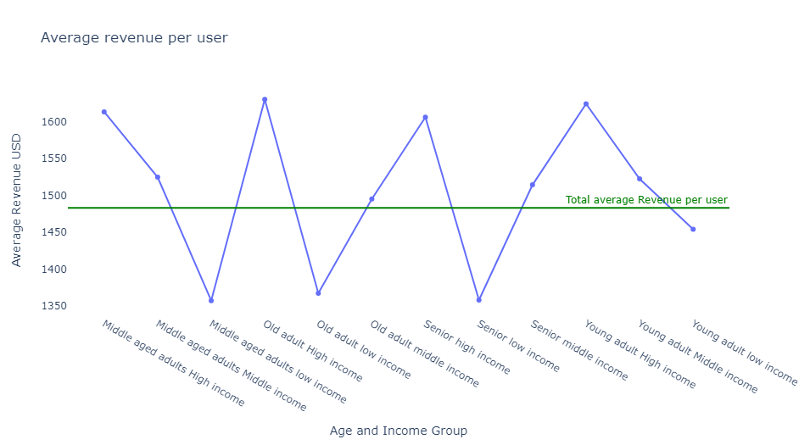

Average revenue per user is highest for those with highest income per household member, subsequently those with lowest income represent lower revenue, however, the Young adults with low income have the highest revenue per user than all the others wiht low income.

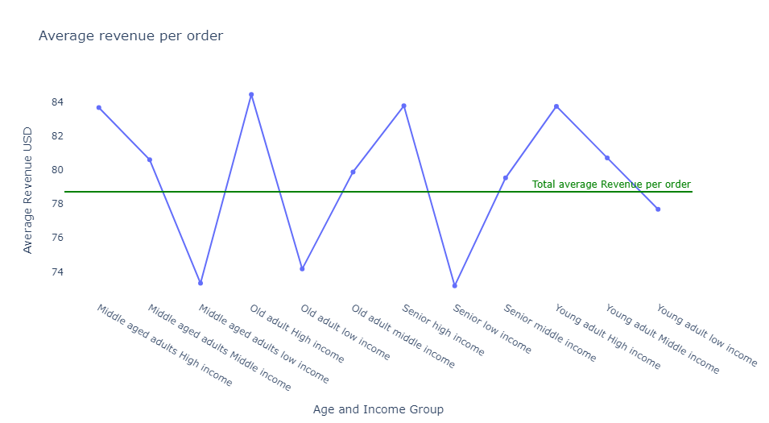

Average revenue per order is highest for those with highest income per household member, subsequently those with lowest income represent lower revenue, however, the Young adults with low income have the highest revenue per order than all the others wiht low income.

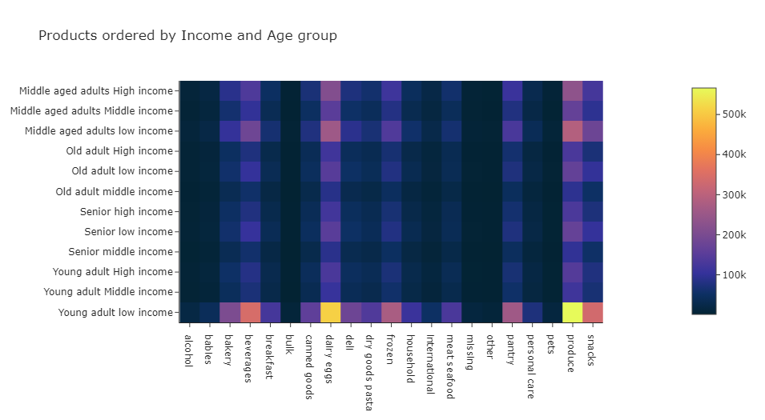

The order habits of customers classified as Young adults with low income, include Produce, Snacks. Dairy eggs and Beverages.

7. Recommendations
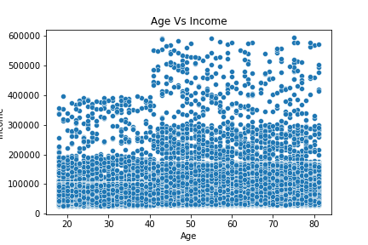
 |  | Title page
Recommendations

In this tab you should include any recommendations you would made to Instcart in terms of their marketing strategy based on the questions posed in the brief. Every key question has been covered in the Tasks of the Exercises - here you need to add an item - a visualisation or table/crosstable that is showing the answer in the data, acompanied by a comment from you. Please, list the questions below and add the answer underneath.

Question | Answer
Sales team needs to know what the busiest days of the week and hours of the day are (i.e., the days and times with the most orders) in order to schedule ads at times when there are fewer orders | The busiest days are the weekends, between 10:00 a.m. and 4:00 p.m.

Sales team want to know whether there are particular times of the day when people spend the most money, as this might inform the type of products they advertise at these times. | Customers spend more money between 10:00 a.m. and 4:00 p.m.

 |  |  | Key Question 3
 |  |  | Key Question 4
 |  |  | Key Question 5
 |  |  | Key Question 6
 |  |  | Key Question 7

Are there certain types of products that are more popular than others? The marketing and sales teams want to know which departments have the highest frequency of product orders | Products in the Produce department are the most popular, followed closely by Dairy eggs. The Produce is the most popular across all Regions.

What’s the distribution among users in regards to their brand loyalty (i.e., how often do they return to Instacart)? | Most of the customers belong to the Regular customer category

Are there differences in ordering habits based on a customer’s loyalty status? | The number of orders made by Regular customer is approximately 1,5 times the number of orders of Loyal customers and almost three times the number of orders made by New customers. Regular customers also bring more revenue to the brand.

Are there differences in ordering habits based on a customer’s region? | The number of orders is spread evenly amongst all states. Regions with more states will have more orders.

Is there a connection between age and income in terms of ordering habits? | There are more customers classified as Young Adults wit low income. Income less than 40.000.

 | Average revenue per user is highest for those with highest income per household member, subsequently those with lowest income represent lower revenue, however, the Young adults with low income have the highest revenue per user than all the others wiht low income.

 | Average revenue per order is highest for those with highest income per household member, subsequently those with lowest income represent lower revenue, however, the Young adults with low income have the highest revenue per order than all the others wiht low income.

 | The order habits of customers classified as Young adults with low income, include Produce, Snacks. Dairy eggs and Beverages.

Is there a connection between age and income ? | There is no relationship between age and income.

